Sheet1
Bug ID | Description | Severity | Reported By | Date | Screenshot | Steps to Reproduce | Close Date | Status
BUG-001 | After click calculate, the value of Choose a Parking Lot does not match the selected one. The Parking Lot value was Long-Term Surface Parking, but instead it reset to default value, which is Valet Parking. | Medium | Melysa | 19/04/2024 | 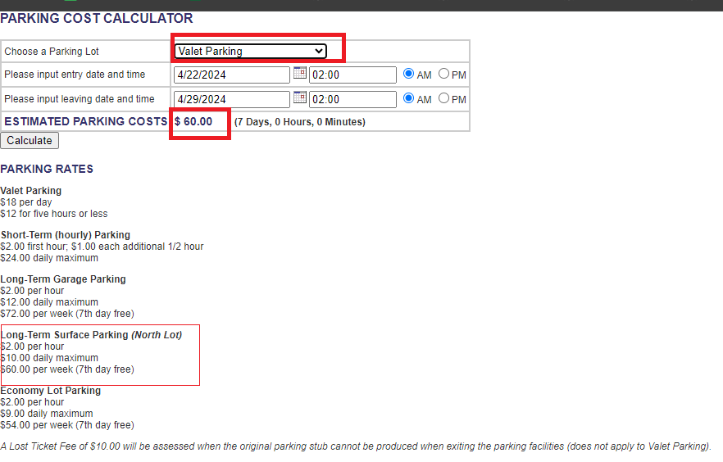 | - Choose parking lot Long-Term Surface Parking - Input entry date and leaving date - click calculate |  | Open
BUG-002 | There is no field to confirm lost tickets | Medium | Melysa | 19/04/2024 | 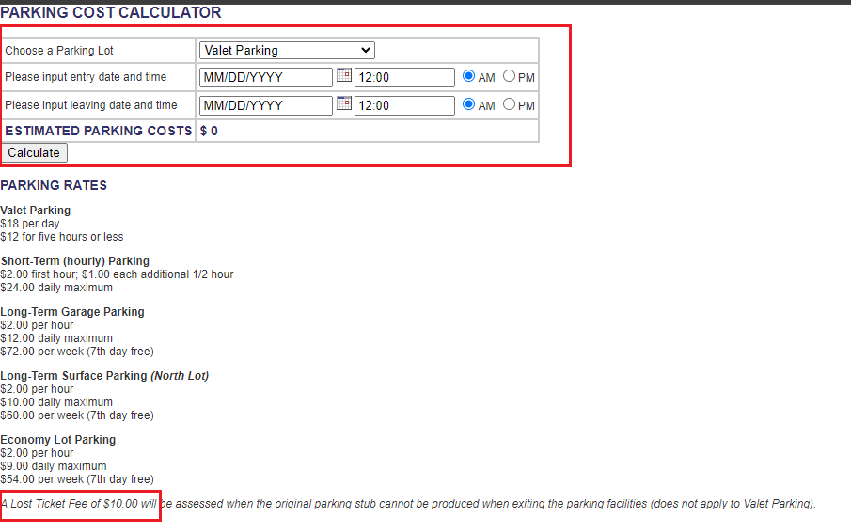 | Go to http://www.shino.de/parkcalc/index.php |  | Open
BUG-003 | After click calculate, the value of leaving date and time does not match the selected one The leaving time value was 12:00 PM, but instead the value change into 12:00 AM. | Medium | Melysa | 19/04/2024 |  | - Input time 12:00 PM - click calculate |  | Open
BUG-004 | After click calculate, the value of entry time does not match The entry time value was 01:00 PM, but instead the value change into 13:00 AM. | Medium | Melysa | 19/04/2024 |  | - Input time 01:00 PM - click calculate |  | Open

